Triggers '15
IP sides

 |  | 2015 | 2013 | 2014
 | non-offer of firm products with a duration of at least one month | 36 | 10 | 23
 | occurence of auction premium for at least 3 monthly products | 2 | 1 | 9
 | occurence of auction premium for at least 2 quarterly products | 0 | 0 | 0
 | occurence of auction premium for at least one product with a duration one gas year | 3 | 2 | 7
 | no contractual congestion (in the sense of CMP GL 2.2.3.1 a) - d)) | 205 | 13 | 218
 | out of scope | 101
Congestion identified by ...

IP types '15
Breakdown of the 41 congested IP sides by type
IP side | number | 41 congested
cross-border | 21
in-country | 8
with 3rd country | 6
in-country (IC) | 2
cross-border (IC) | 4
sum | 41

congested | 41
close to be congested (23 due to quota) | 27
non-congested | 178
out of scope (mainly VR) | 101
total | 347 |  | 347

within CMP scope | 246
congested | 41
Results of congestion analysis of 347 IP sides

congested
reasons for congestion
auction premia | 5
non-offer of (specific) firm products | 51
close to be congested (23 due to quota)
out of scope (mainly virtual reverse)

not congested

CMP appl. '15
TOTAL | number of instances (days)
CMP
 | in Q4 2013 | in & for 2014 | in & for 2015 | old in 2014
FDA UIOLI | 4895 | 16745 | 15200 | 16885
Oversub-scription | 161 | 18384 | 21320 | 18930
Surrender | 106 | 2568 | 4013 | 4783
LT UIOLI | 0 | 0 | 0 | 0

Congested IP sides |  |  |  |  |  |  | Congested IP sides
 | at all IP sides in Q4/2013 | at all IP sides in 2014 | at congested IP sides in 2014 | at all IP sides in 2015 | at congested IP sides in 2015 |  |  | at all IP sides in Q4/2013 | at non-congested IP sides in 2014 | at congested IP sides in 2014 | at non-congested IP sides in 2015 | at congested IP sides in 2015
FDA UIOLI | 70 | 79 | 5 | 63 | 12 |  | FDA UIOLI | 70 | 81 | 5 | 51 | 12
Oversub-scription | 5 | 32 | 2 | 38 | 0 |  | Oversub-scription | 5 | 30 | 2 | 38 | 0
Surrender | 4 | 22 | 1 | 23 | 1 |  | Surrender | 4 | 22 | 1 | 22 | 1
LT UIOLI | 0 | 0 | 0 | 0 | 0 |  | LT UIOLI | 0 | 0 | 0 | 0 | 0
CMP application leading to additional capacity availability at congested vs. total IP sides
CMP application leading to additional capacity availability at congested vs. total IP sides
CMP application leading to additional capacity availability at congested vs. total IP sides

CMPs leading to additional capacity availability at congested vs. non-congested IPs in 2014 & 2015
Extent of CMP application at all IP sides

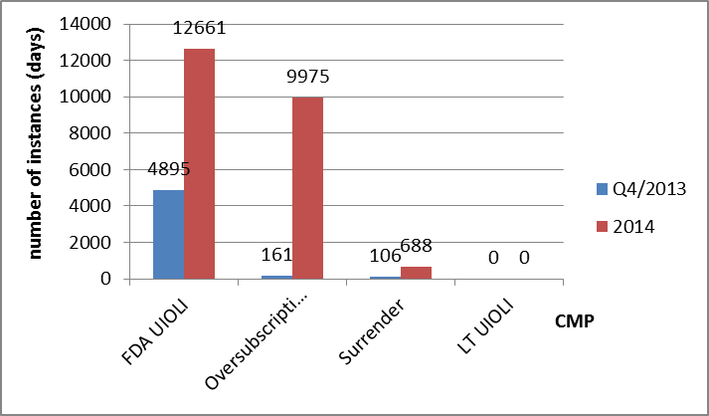

Number of IP sides

 |  |  |  |  |  | at congested IP sides | at non-congested IP sides
 |  |  |  | FDA UIOLI | 2014 | 5 | 81
 |  |  |  |  | 2015 | 11 | 52
 |  |  |  | Oversubscription | 2014 | 2 | 30
 |  |  |  |  | 2015 | 0 | 38
 |  |  |  | Surrender | 2014 | 1 | 22
 |  |  |  |  | 2015 | 1 | 22
CMP
 |  |  |  | LT UIOLI | 2014 | 0 | 0
 |  |  |  |  | 2015 | 0 | 0

interrupt. '15
Interruptible capacity per congested IP side
As reported for the congested IP sides | Offered by TSO? | Booked for Q1/2015? | Booked for Q2/2015? | Booked for Q3/2015? | Booked for Q4/2015? | Booked for 2016? | Booked for 2017? | Actual Interruptions 2015
yes | 38 | 24 | 26 | 26 | 25 | 27 | 11 | 9
no | 3 | 14 | 12 | 12 | 13 | 11 | 27 | 16
no data / not applicable | 0 | 3 | 3 | 3 | 3 | 3 | 3 | 16
Total | 41 | 41 | 41 | 41 | 41 | 41 | 41 | 41
Offered interruptible capacity, % for 'yes' | 92.68% | 58.54% | 63.41% | 63.41% | 60.98% | 65.85% | 26.83% | 21.95%
Note: partial bookings for a given period are included under "yes"

Offer, bookings & interruptions of interruptible capacity in 2015 at 41 congested IP sides

CMA total '15
Data source: CMP bulk data export file from ENTSOG TP (24.2.16), aggregated by IP & MS border (Source files available on ACER data hub)
 |  | capacity amounts made available via CMPs only in 2015 for use in 2015 [kWh/d on average in 2015] at all IP sides reported
BL | IP side | AVG of CMA via OS (SUM of "OS x days" / 365 days) | AVG of CMA via FDA UIOLI (SUM of "OS x days" / 365 days) | AVG of CMA via Surrender (SUM of "OS x days" / 365 days)
y | AT/DE | 0 | 37,458,057 | 3,258,124
y | AT/SK | 0 | 97,986,949 | 16,049,346
y | BE/DE | 0 | 8,586,891 | 0
y | BE/NL | 746,816,503 | 0 | 28,886,175
y | CZ/DE | 0 | 15,584,325 | 0
y | DE | 0 | 33,760,247 | 0
y | DE/AT | 0 | 68,270,795 | 0
y | DE/BE | 0 | 10,516,840 | 0
y | DE/CZ | 0 | 17,444,093 | 0
y | DE/DK | 0 | 4,289,351 | 0
y | DE/NL | 1,629,893,379 | 4,966,918 | 84,461,311
y | DE/NO | 0 | 7,539,599 | 0
y | DE/PL | 0 | 16,511,611 | 0
y | DE/RU | 0 | 21,565,518 | 0
y | DK/DE | 0 | 3,986,612 | 0
y | FR/BE | 2,377,380 | 0 | 1,217,694
y | FR/DE | 9,509,522 | 26,041,375 | 1,026,870
y | HU/AT | 0 | 8,455,240 | 13,883,836
y | IE/UK | 0 | 0 | 0
y | IT/AT | 0 | 47,500,369 | 5,443,376
y | NL | 181,615,597 | 0 | 3,373,826
y | NL/BE | 721,650,032 | 0 | 14,017,136
y | NL/DE | 2,750,171,182 | 13,632,390 | 7,084,603
y | NL/NO | 1,051,749,392 | 0 | 21,298,791
y | NO/DE | 0 | 1,625,850 | 0
y | NO/NL | 652,372,603 | 0 | 0
y | PL | 14,304,692 | 0 | 0
y | PL/DE | 0 | 2,423,413 | 53,236
y | SI/AT | 0 | 3,772,376 | 0
y | SK/AT | 0 | 10,931,820 | 0
y | UK | 2,573,790 | 0 | 0
y | UK/IE | 0 | 0 | 0
y | Grand Total | 7,763,034,073 | 462,850,641 | 200,054,324

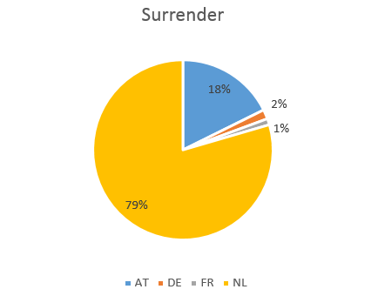

 |  |  | Row Labels | Sum of OS times days/365 | Sum of DA times days/365 | Sum of SUR times days/365
 |  |  | AT | 0 | 243484660 | 35376558 | 17.7%
 |  |  | DE | 0 | 219365981 | 3357249 | 1.7%
 |  | 0.15% | FR | 11886902 | 0 | 2244564 | 1.1%
 |  | 99.63% | NL | 7734268689 | 0 | 159075953 | 79.5%
 |  | 0.18% | PL | 14304692 | 0 | 0
 |  | 0.03% | UK | 2573790 | 0 | 0

 |  |  | sum | 7763034073 | 462850641 | 200054324

Secondary '15
 |  | OTC |  |  |  |  |  |  | bilateral |  |  |  | PRISMA Secondary
# of IP sides | Product | Bacton (IUK) Exit, IC | Zeebrugge IZT, exit IC | IZT - Beach, exit IC | Bacton IUK, entry IC | Zeebrugge IZT, entry IC | IZT - Beach, entry IC | Trades on OTC (IC) | Hora Svate, exit Ontras | Olbernhau, entry N4Gas | bilateral trades | # of IPs | Ellund, exit, GUD | Eynatten 2, exit Fluxys TENP | Liason N>S, GRTgaz exit | Oberkappel, exit OGE | RC Basel, exit terranets | Wallbach, exit fluxys TENP | Trades on PRISMA Secondary | # of IPs
6 | Gas Year | 1 | 1 | 1 | 1 | 1 | 1 | 6 |  |  | 0 |  |  |  | 5 |  |  |  | 5 | 1
3 | Quarter |  | 6 | 6 | 6 |  |  | 18 |  |  | 0 |  |  |  | 5 | 1 |  | 7 | 13 | 3
6 | Month | 12 | 13 | 13 | 13 | 12 | 12 | 75 | 2 |  | 2 | 1 | 2 |  |  | 4 |  | 3 | 9 | 3
6 | Other | 1 | 2 | 2 | 2 | 1 | 1 | 9 | 1 | 6 | 7 | 2 |  | 1 | 1 |  |  | 1 | 3 | 3
6 | Year | 2 | 2 | 2 | 2 | 2 | 2 | 12 |  |  | 0 |  |  |  |  |  | 1 | 1 | 2 | 2

 | sum | 16 | 24 | 24 | 24 | 16 | 16 | 120 | 3 | 6 | 9 |  | 2 | 1 | 11 | 5 | 1 | 12 | 32

Trades on the secondary market for congested IP sides
1 / 6 / 0 3 / 3 / 0 3 / 6 / 1 3 / 6 / 2 2 / 6 / 0

